A̳ssets




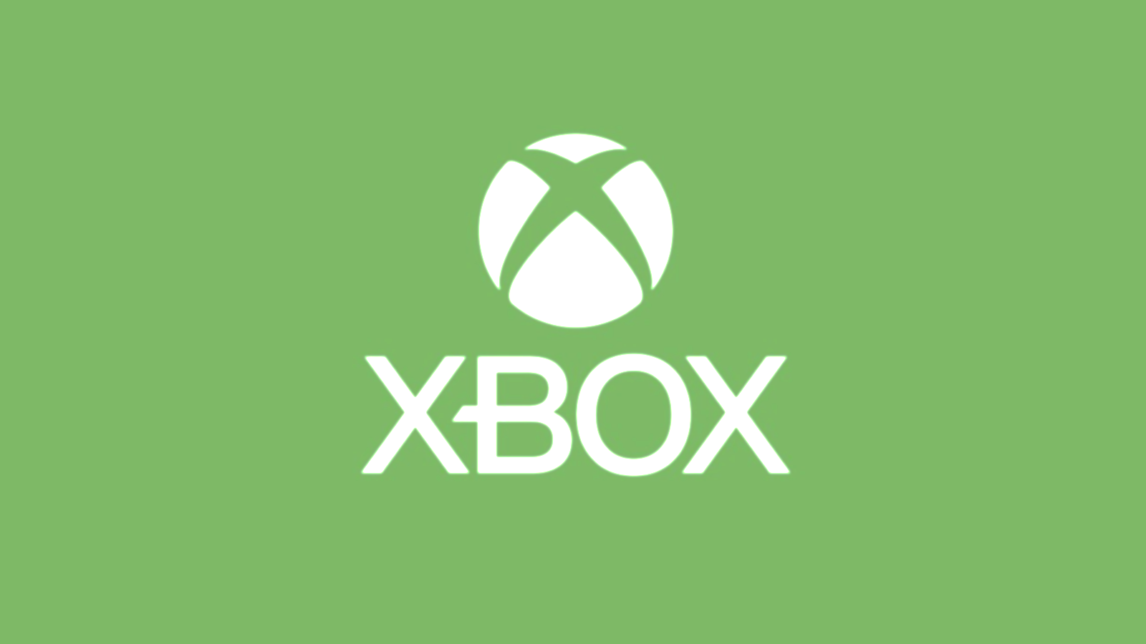
Paleta de Cores

# 9BC848 | Xbox Color | # E8E6E9 | negative zone
#22C55E | Xbox Color
# 2AE6B1 | Menus
# 5BF6A8 | Menus

Logos |  |  |  | ícones

D̳ashboard

295
TOTAL SUBSCRIPTIONS
R$ 7.633,00
TOTAL REVENUE

Participação por Plano
 | Contagem de Plan | Soma de Subscription Price | Soma de Total Value
Core | 101 | R$505.00 | R$444.00
Standard | 96 | R$960.00 | R$1,801.00
Ultimate | 98 | R$1,470.00 | R$5,388.00
Total revenue by plan
 | Total
Core | R$444.00
Standard | R$1,801.00
Ultimate | R$5,388.00

